Introduction
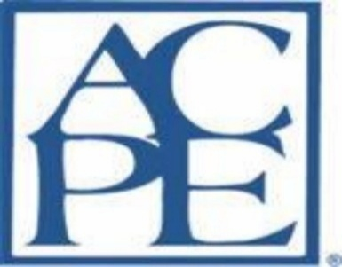

INTRODUCTION
These Standards were developed to:
• protect the public by ensuring the availability of a competent workforce;
• describe pharmacy technician education and training program development;
• provide criteria for the evaluation of new and established education and training programs; and
• promote continuous improvement of established education and training programs.
The ASHP/ACPE Standards for Pharmacy Technician Education and Training (Standards) were developed with input from a broad range of constituents interested in or affected by pharmacy technician education and training. The intent is to establish a national standard for the preparation of the pharmacy technician workforce. The Standards focus on the competency expectations required of pharmacy technicians completing training programs and the assessment of those competencies by the program. The Standards also address the structural and process-related elements within training programs necessary to implement evidence-based outcome measures that document achievement of the Standards. ASHP/ACPE expects pharmacy technician education and training programs to be following all elements outlined in the Standards. ASHP (American Society of Health-System Pharmacists) has been accrediting pharmacy residencies since 1963 and pharmacy technician education and training programs since 1983 (www.ashp.org). The Accreditation Council for Pharmacy Education (ACPE) was established in 1932 for the accreditation of professional degree programs in pharmacy, and in 1975, its scope was broadened to include accreditation of providers of continuing pharmacy education (www.acpe-accredit.org). In 2014, a collaboration was formed between ASHP and ACPE with the goal of working together in the accreditation of pharmacy technician education and training programs. Pharmacy Technician Accreditation Commission (PTAC) The Pharmacy Technician Accreditation Commission (PTAC) is a collaboration between ASHP and ACPE to promote, assure, and advance the quality of pharmacy technician education and training programs in the United States. The responsibilities of the PTAC include recommending changes to the accreditation Standards, surveying programs for accreditation, modifying the Standards and regulations, and making recommendations for accreditation of programs to the ASHP and ACPE Boards of Directors. The ASHP and ACPE Boards of Directors ratify the recommendations made by the PTAC and have the final vote for accreditation of programs and other work performed by the PTAC.

Onsite & Virtual Document List


UPDATED LIST OF ONSITE AND VIRTUAL SURVEY DOCUMENTS
Completed affiliation agreements for all training sites (not applicable for employer based programs)
Complete program file for one graduate
One program file for one current student
Supporting course materials (all lesson plans from each course including class lectures, exams, schedules, simulation activities, activities performed on externship rotations)
Books, references, online products, technology utilized in the program
Copies of membership certificates of program director and faculty for pharmacy association and/or education associations at the national and state level
Three completed experiential site inspection forms
Academic and Professional Records for all preceptors-of-record
Completed time sheets for all time spent by students at experiential sites for current class (graduating class if the current class has not completed the externship yet)
If the survey is conducted virtually, please provide the onsite documents with the presurvey packet electronically and number the documents accordingly (e.g. Document 1, 2, 3, 4, 5, 6, 7, 8, 9).

